Sheet1
Step to prepare your machine to xamarin

1 | Install the xamarin from visual studio installer
 |  |  | ** will take time to install

2 | go to control panel -> program and features -> turn windows features on or off |  |  |  | ** will take time to install
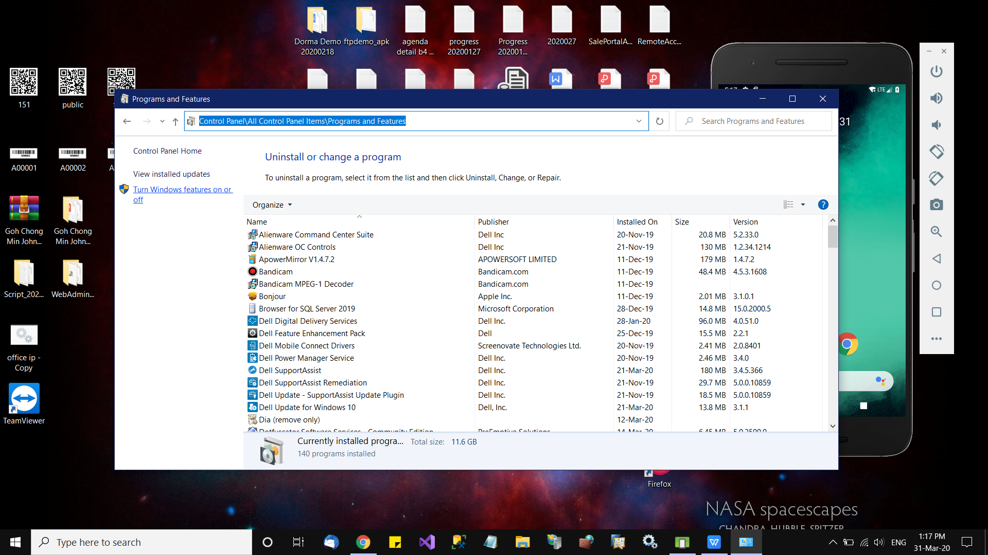

3 | Turn the window hyper-v, machine virtualization for create a VM machine for emulator ... else u can use real device to do development

 |  | https://www.tutorialspoint.com/windows10/windows10_virtualization.htm
 |  | you may follow the link here to activate
 |  | some laptop need to access into bios to activate that

 |  | setup ur real hw android phone to do development
 |  | you will need a usb data cable

4 | After install xamarin successfull with all other SDK like android, IOS SDK donwload and done well
 | Open the VS 2019, select mobile project type, and create mobile app.
 | After all created, u will see screen as below

 | from the top menu bar, select Tool --> Android --> Android Manager
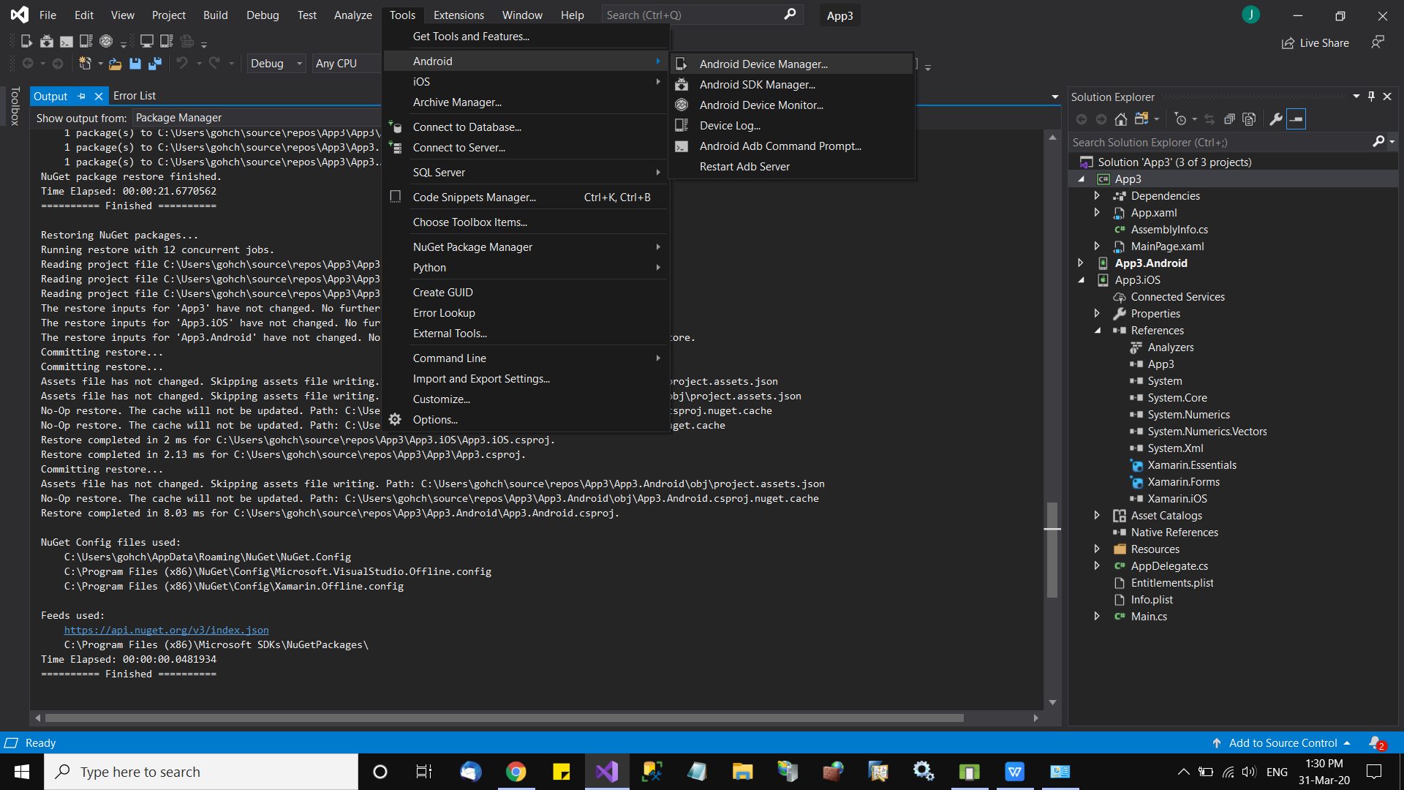

5 | As screen shown, click "New"

6 | Define the emulator phone specification
 | Select device to 5inch to 6 inch
 | Device ram will share ur laptop ram, normaly 2-3 GB will run smooth, and changable later

 |  |  |  |  | Then click "Create"
 |  |  |  |  | it will create and need some time
 |  |  |  |  | If there is error, u may try to update the Google SDK

 |  |  |  |  | Google SDK provide all the emulator u need

 |  |  |  |  | When creation done, you will be able to have emulator phone on screen

 | Update google SDK
7 | From the VS main menu Tool --> Android --> Android SDK Manager |  |  | Make the SDK was installed

8 | VS 2019 IDE Android SDK path
 | You may need to ensure the SDK was installed and recognised by the IDE in correct path

 | in VS, Tools > Options > Xamarin > Android Settings |  | ** ensure the path are the same for compile
 | https://docs.microsoft.com/en-us/xamarin/android/troubleshooting/questions/android-sdk-location?tabs=windows
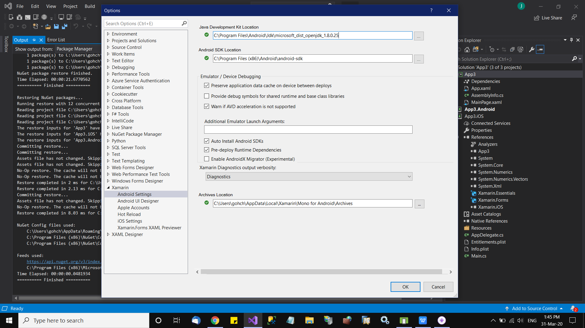

9 finally, if everything OK
we then create app project
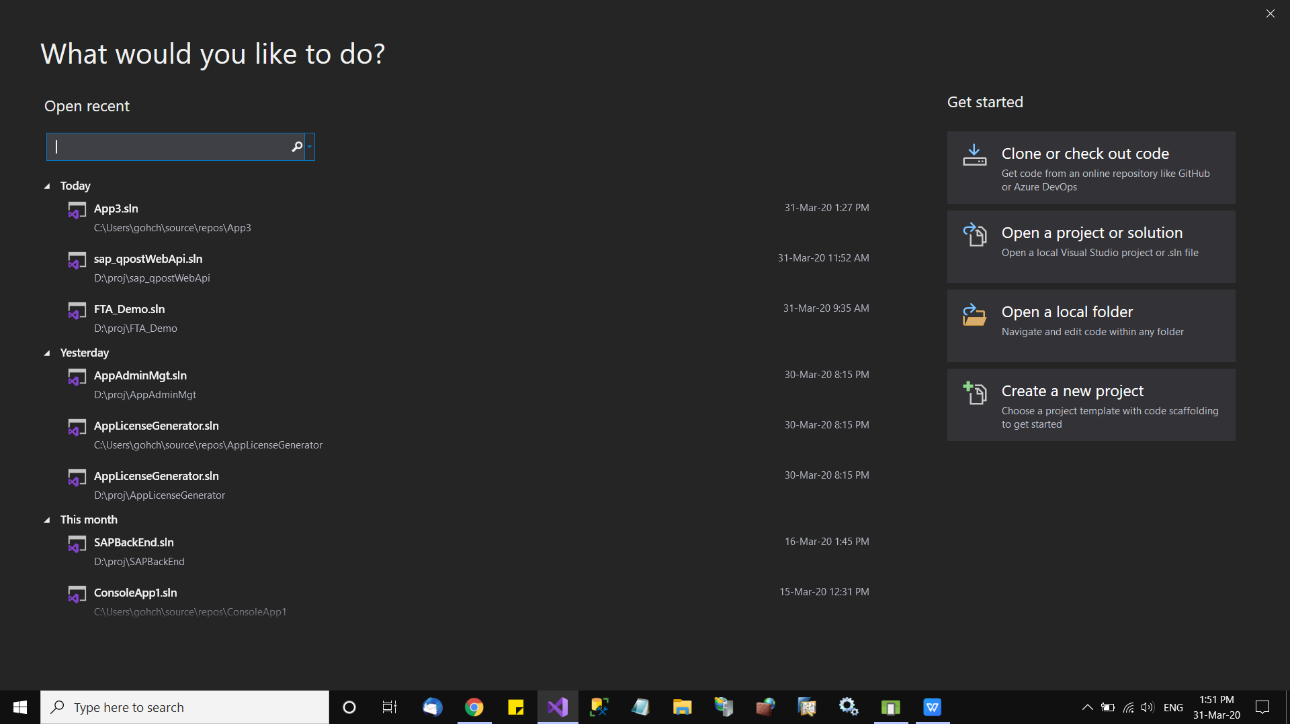

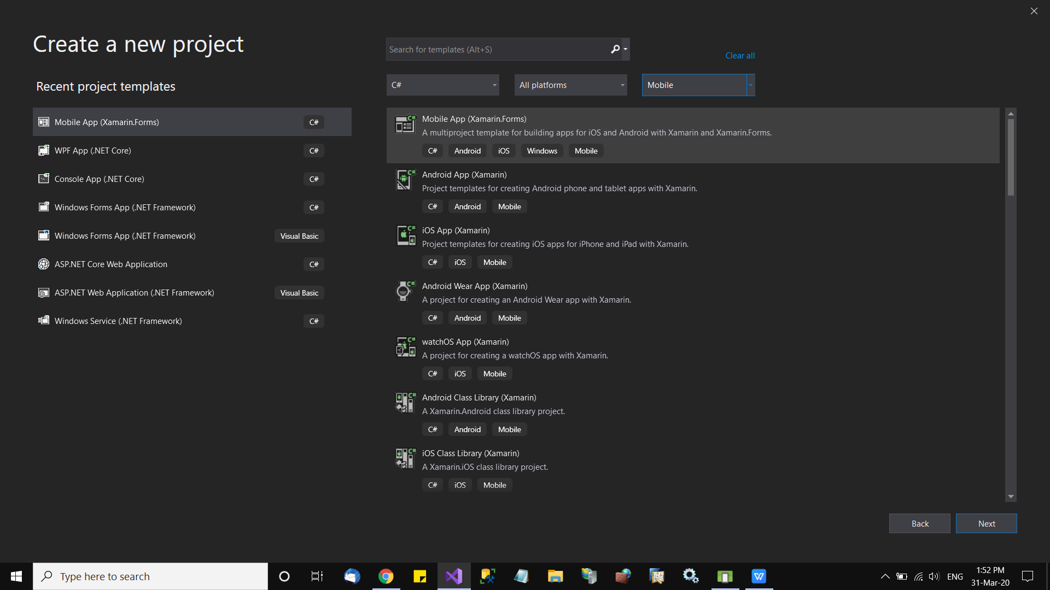

Give a name to ur first app
and select a blank page --> OK --> Create
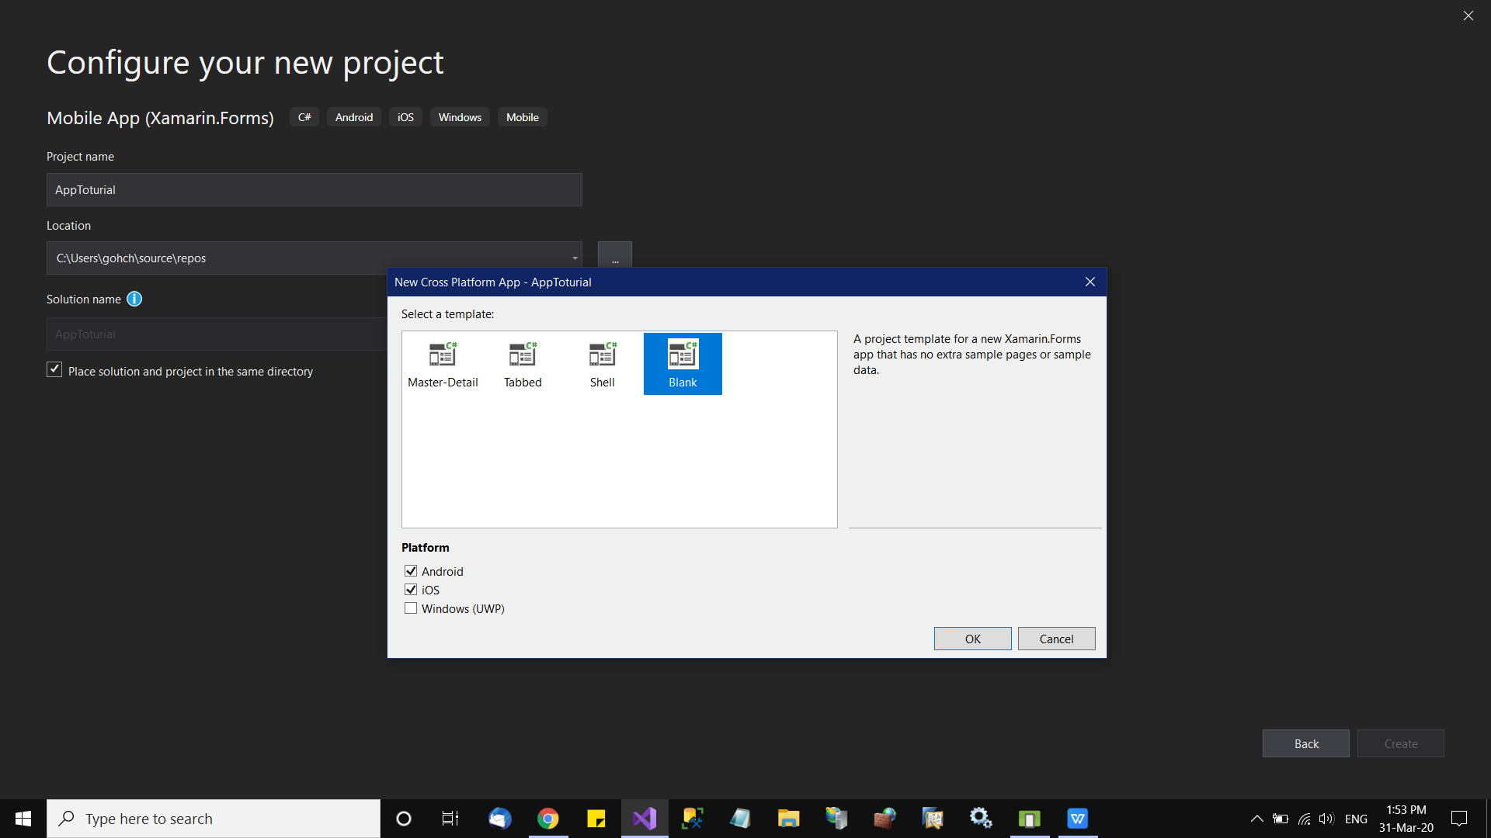

the project will create a single app page as below
The red circle in below screen show the emulator as u created (refer to step 6)
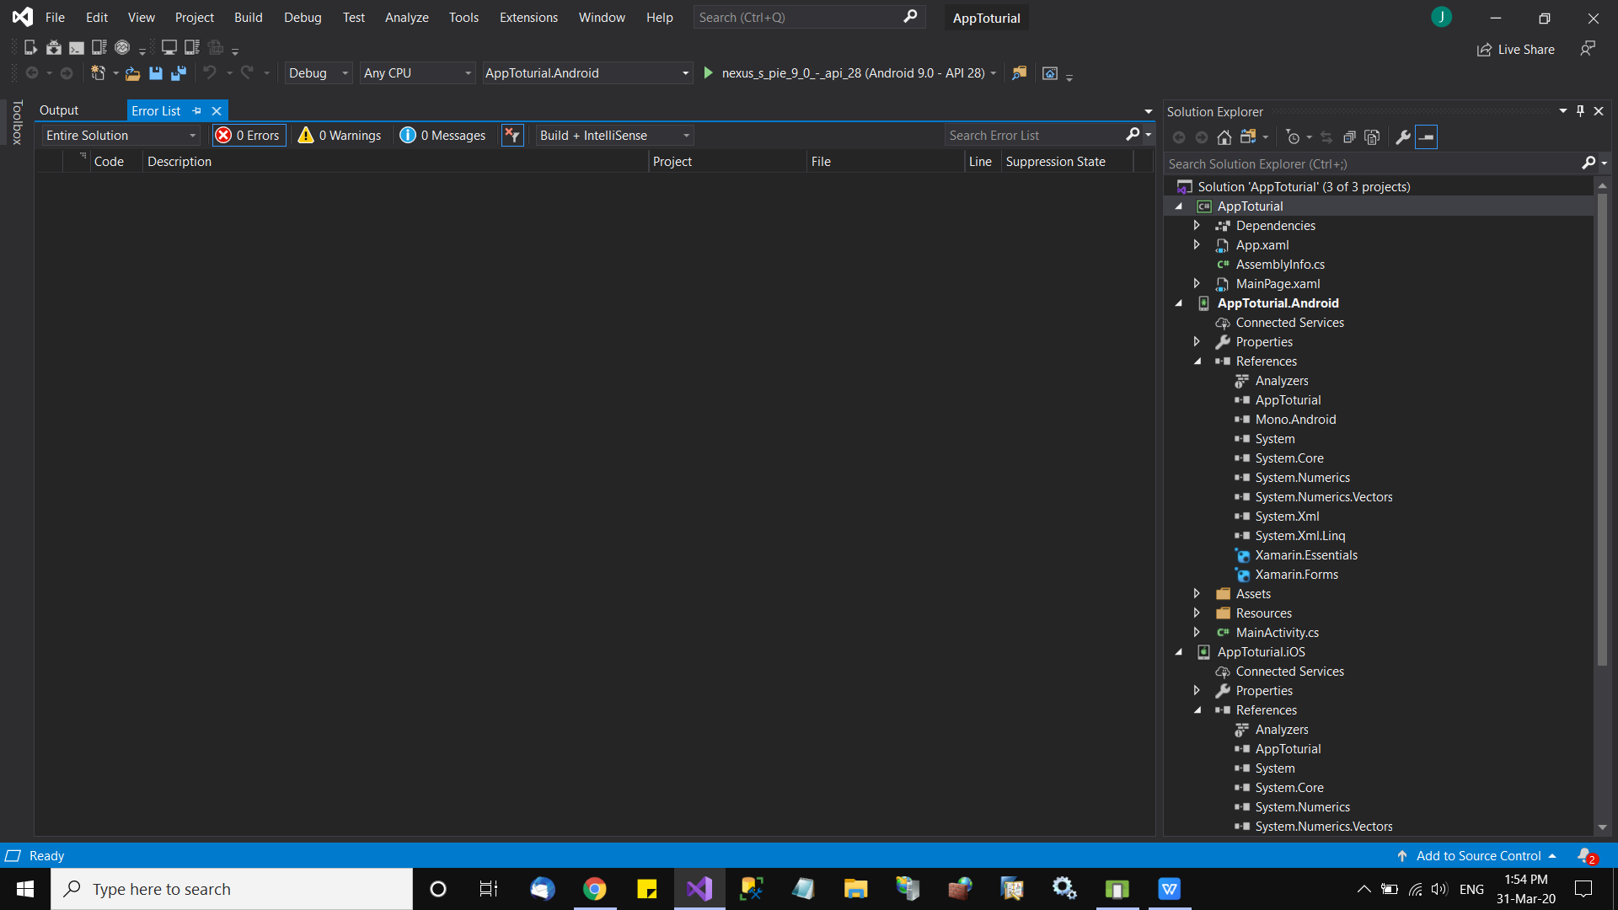

Simply press F5 to run the project
u show get emulator pop out, with the first page.

and we shall start the training to MVVM for screen design
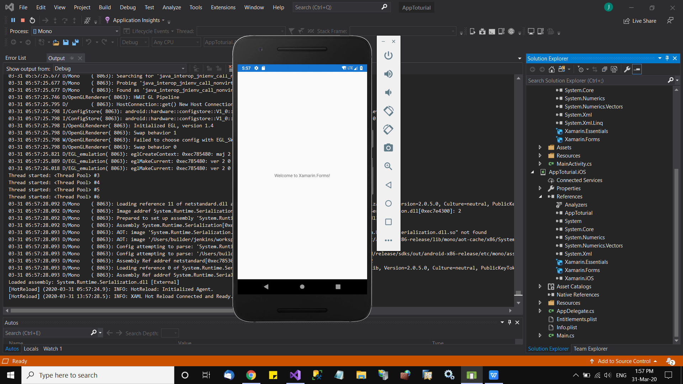

Your first mobile App is done

Then we will start the toturial to create page (View) --> link to viewmodel (VM) and (model)

